for Humen
 |  | Healson Technology Co., Ltd. Address: Room# 2001, 20th Floor, No.1858 Yizhou Road, High-Tech Zone, Chengdu, Sichuan, China. Email:anne.yang@healson-tech.com Tel: +86 028-87772303 Mob./whatsapp/wechat/Viber:+86 17360196190 Facebook:anne.yang@healson-tech.com Skype:yangliu13143 Web.: http://www.healson-tech.com/

Price List
Type | PICTURE FOR REFERANCE | TECHNICAL PARAMETER |  | UNIT PRICE(End User) | UNIT PRICE(For Distributor MOQ 2) | UNIT PRICE(for Distributors MOQ:10) | UNIT PRICE(for Distributors MOQ:50) | UNIT | AMOUNT
Uprobe 2 Convex Black & white Basic |  | Operating system and application | Android smart phone (SAMSUNG S8, S9, HUAWEI MATE 9, MATE9,10, P9,10) / Windows tablet, computer, laptop | $999.00 | $990.00 | $890.00 | $690.00 | PIECE
 |  | Advantages | low power consumption, which can connected to android smart phone
 |  | Scanning mode | electric convex
 |  | Display mode | B, B/B, B/M, 4B, M
 |  | Gray scale | 256
 |  | Scanning depth | maximum 240mm
 |  | TGC | 8TGC adjustments
 |  | Cine loop | 512 frames
 |  | Gain | 0-100dB adjustable
 |  | Language | English/Chinese
 |  | Central frequency | 3.5MHz(2.5-4.5MHz)
 |  | Probe port | USB typeA/USB type C
 |  | Colors | 9
 |  | Image conversion | left/right, up/down
 |  | Application | OB/GYN, Urology, Abdomen, Emergency, and ICU
 |  | N/W | 0.2KG
Uprobe 2 Linear Black & white Basic |  | Operating system and application | Android smart phone (SAMSUNG S8, S9 HUAWEI MATE 9,10, P9, P10) / Windows tablet, computer, laptop | $999.00 | $990.00 | $890.00 | $790.00 | PIECE
 |  | Advantages | low power consumption, which can connected to android smart phone
 |  | Scanning mode | electric linear
 |  | Display mode | B, B/B, B/M, 4B, M
 |  | Gray scale | 256
 |  | Scanning depth | 3-120mm
 |  | TGC | 8TGC adjustments
 |  | Cine loop | 512 frames
 |  | Gain | 0-100dB adjustable
 |  | Language | English/Chinese
 |  | Central frequency | 7.5MHz(5-10MHz)
 |  | Probe port | USB typeA/USB type C
 |  | Colors | 9
 |  | Image conversion | left/right, up/down
 |  | Application | Shallow application, ultrasound-guided percutaneous drainage Small parts, such as thyroid, joint, blood vessel and so on
 |  | N/W | 0.2KG
Uprobe 2 convex black and white High Definition | 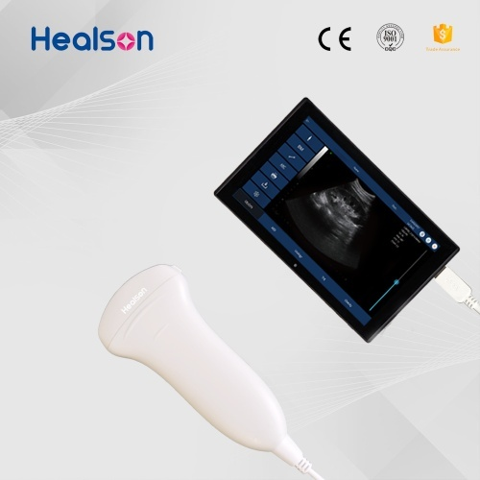 | Operating system and application | Android smart phone (SAMSUNG S8, S9,HUAWEI MATE 9, MATE10, P10) / Windows tablet, computer, laptop | $1,999.00 | $1,990.00 | $1,300.00 | $990.00 | PIECE
 |  | Advantages | High resolution
 |  | Scanning mode | electric convex
 |  | Display mode | B, B/B, B/M, 4B, M, PICC, Puncture
 |  | Gray scale | 256
 |  | Scanning depth | maximum 240mm
 |  | TGC | 8TGC adjustments
 |  | Cine loop | 512 frames
 |  | Gain | 0-100dB adjustable
 |  | Language | English/Chinese
 |  | Central frequency | 3.5MHz(2.5-4.5MHz)
 |  | Probe port | USB Type-A /USB type C
 |  | Colors | 9
 |  | Image conversion | left/right, up/down
 |  | Application | OB/GYN, Urology, Abdomen, Emergency, and ICU
 |  | N/W | 0.2KG
Uprobe 2 Linear black and white High Definition | 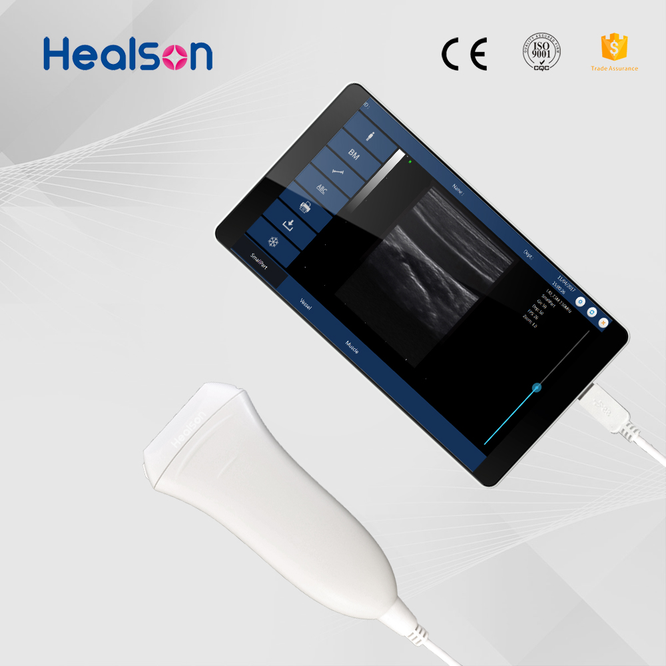 | Operating system and application | Android smart phone (SAMSUNG S8, S9 HUAWEI MATE 9, MATE10, P10) / Windows tablet, computer, laptop | $1,999.00 | $1,990.00 | $1,300.00 | $990.00 | PIECE
 |  | Advantages | High resolution
 |  | Scanning mode | electric linear
 |  | Display mode | B, B/B, B/M, 4B, M, PICC, Puncture
 |  | Gray scale | 256
 |  | Scanning depth | 3-120mm
 |  | TGC | 8TGC adjustments
 |  | Cine loop | 512 frames
 |  | Gain | 0-100dB adjustable
 |  | Language | English/Chinese
 |  | Central frequency | 7.5MHz(5-10MHz)
 |  | Probe port | USB Type-A/ USB Type C
 |  | Colors | 9
 |  | Image conversion | left/right, up/down
 |  | Application | Shallow application, ultrasound-guided percutaneous drainage Small parts, such as thyroid, joint, blood vessel and so on
 |  | N/W | 0.2KG
Uprobe 3 convex Color dopplor | 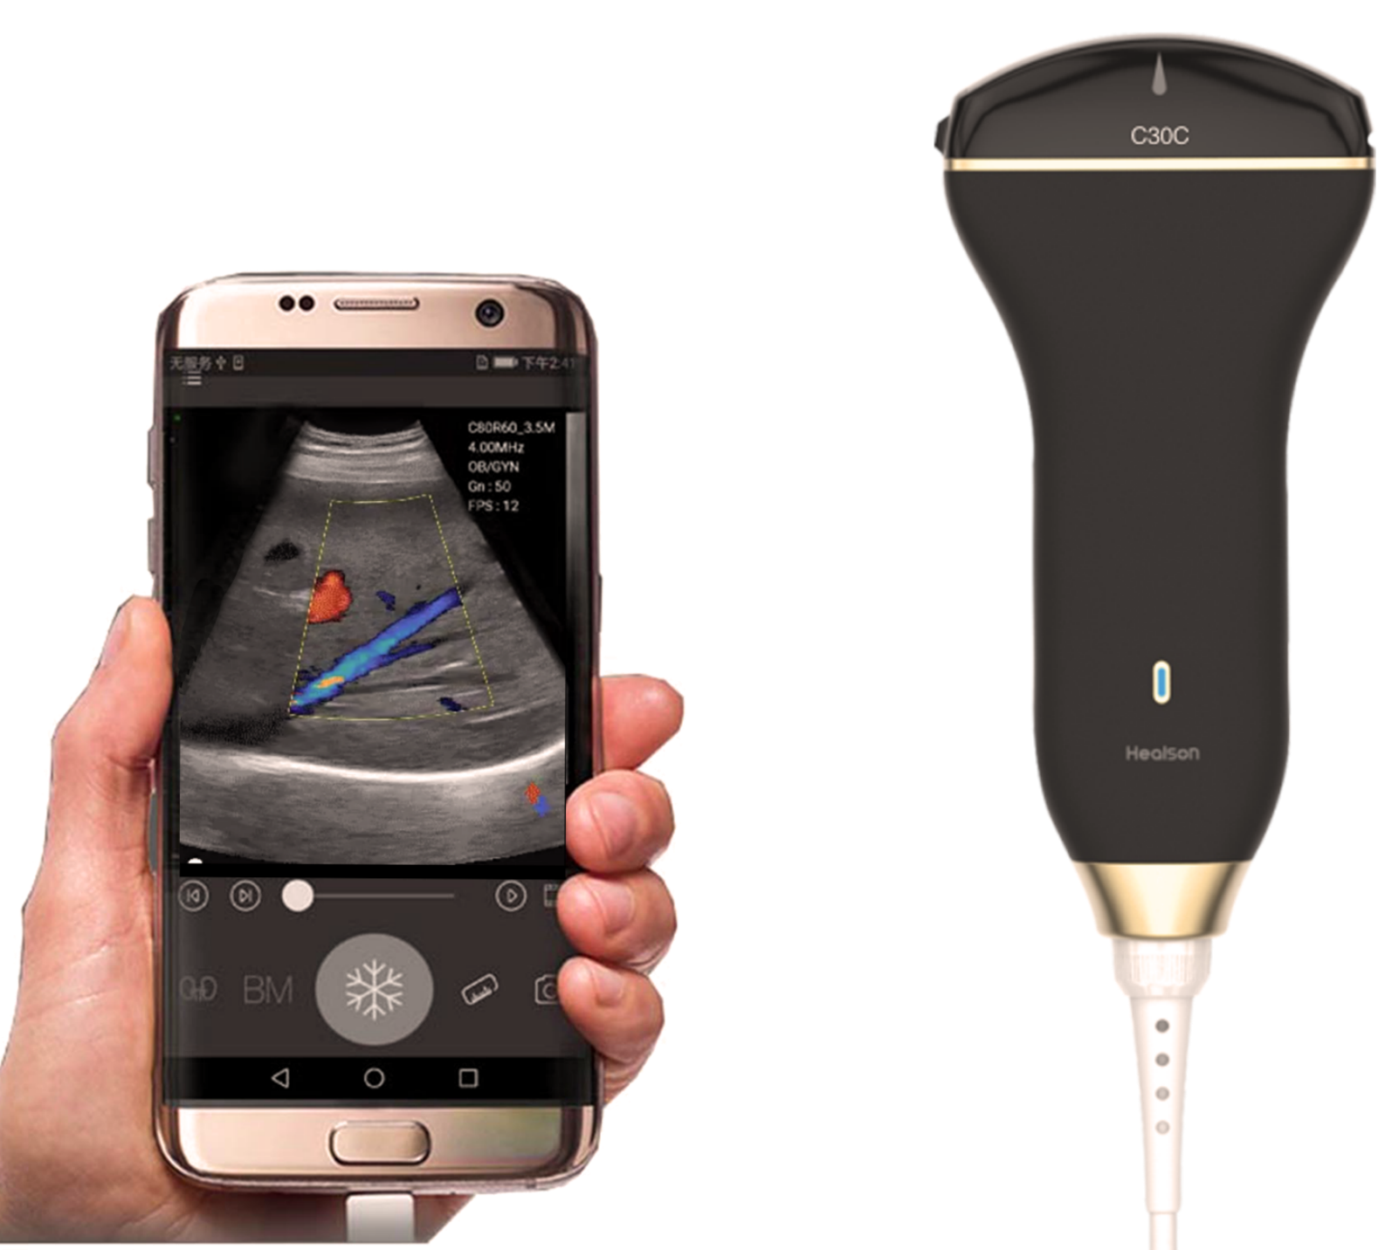 | Operating system and application | Android smart phone (SAMSUNG S8, S9,HUAWEI MATE 9, MATE10, P10) / Windows tablet, computer, laptop | $2,999.00 | $2,990.00 | $1,900.00 | $1,590.00 | PIECE
 |  | Advantages | High resolution with color dopplor
 |  | Scanning mode | electric convex
 |  | Display mode | B, BB, 4B, BM, M, CDFI, PDI, PW, Puncture, PICC
 |  | Gray scale | 256
 |  | Scanning depth | maximum 240mm
 |  | TGC | 8TGC adjustments
 |  | Cine loop | 512 frames
 |  | Gain | 0-100dB adjustable
 |  | Language | English/Chinese
 |  | Central frequency | 3.5MHz(2.5-4.5MHz)
 |  | Probe port | USB Type-A /USB type C
 |  | Colors | 9
 |  | Image conversion | left/right, up/down
 |  | Application | OB/GYN, Urology, Abdomen, Emergency, and ICU
 |  | N/W | 0.2KG
Uprobe 3 linear Color dopplor | 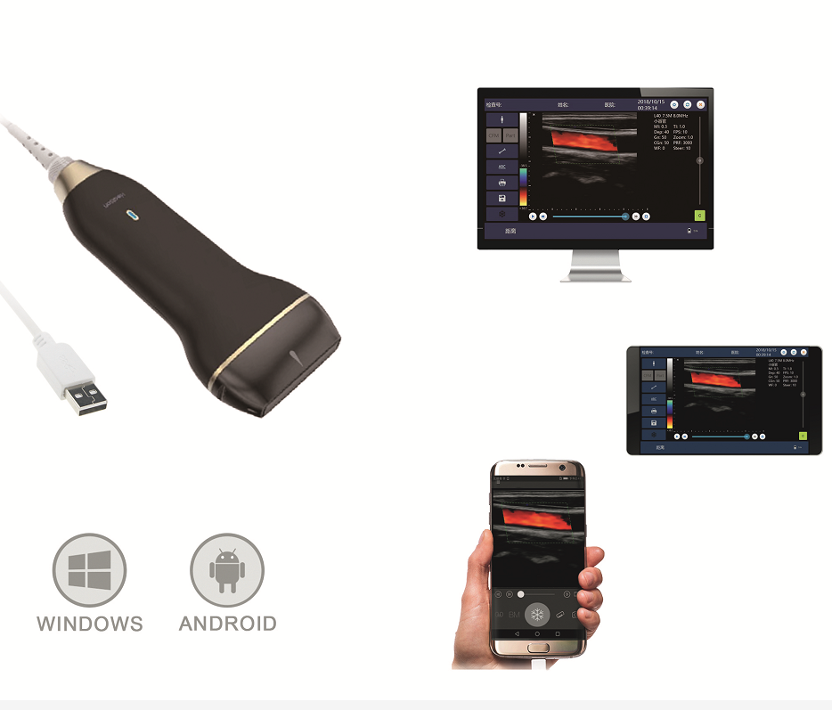 | Operating system and application | Android smart phone (SAMSUNG S8, S9 HUAWEI MATE 9, MATE10, P10) / Windows tablet, computer, laptop | $2,999.00 | $2,990.00 | $1,900.00 | $1,590.00 | PIECE
 |  | Advantages | High resolution with color dopplor
 |  | Scanning mode | electric linear
 |  | Display mode | B, BB, 4B, BM, M, CDFI, PDI, PW, Puncture, PICC
 |  | Gray scale | 256
 |  | Scanning depth | 3-120mm
 |  | TGC | 8TGC adjustments
 |  | Cine loop | 512 frames
 |  | Gain | 0-100dB adjustable
 |  | Language | English/Chinese
 |  | Central frequency | 7.5MHz(5-10MHz)
 |  | Probe port | USB Type-A/ USB Type C
 |  | Colors | 9
 |  | Image conversion | left/right, up/down
 |  | Application | Shallow application, ultrasound-guided percutaneous drainage Small parts, such as thyroid, joint, blood vessel and so on
 |  | N/W | 0.2KG

 | 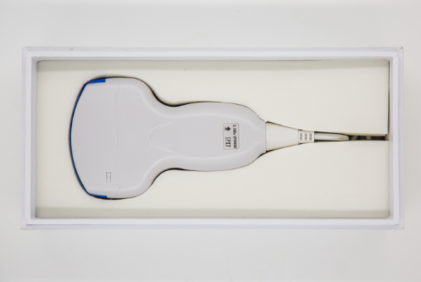 | 1.MOQ:1 piece for handheld ultrasound system, if less than 10 pieces, the price will be higher. if over 50 pieces, please contact Sales of Healson 1 for sample supported. 2.Accessories: Laptop, Tablet, Smart phone, USB port cable, Arm, Stand, Trolley, Laser/Thermal printer, AI glasses

 | APPLICATION: 1, Mobile diagnosis: Family, community, school, army, nursing institution, emergency rescue scene, emergency security(train, plane), battlefield, aviation, etc. 2, Puncture guide: PICC, intravenous injection, anesthesia injection, peritoneal drainage,surgery, etc. 3, Recovery&health: Bladder scanning, breast scanning, ultrasonic beauty, etc. 4, Wearable big data medicine: Intelligent terminal, cloud sharing, remote network, big data analysis, etc. Others Application： 1.Emergency Rescue Scene such as Earthquake 2.Aged-Care Center 3.Mobile & Field Hospital 4.Medical Examination Center 5.Community Health Center 6.Traditional Hospitals 7.Emergency Rescue Scene such as Earthquake 8.Rest Center & Rehabilitation Center FEATURES: 1.Portable- The most portable devices: Healson gets the traditional ultrasound machine smaller into a transducer. You can put it and your smart device with Healson software into your pocket to anywhere 2. Convenient -Easy to operate :Healson offer you the humanized ultrasound interface design, you can operate easily with your smart devices 3.High resolution -Low power, consumption stable HD image:Healson's image processing technology can offer you a high quality image. 4Smart -Applicable to mutiple terminals:Healson's ultrasound app brings diagnostic capabilities to your compatible smartphone or handheld device 5.Mutipurpose -Wide applications, visible diagnostic apparatus :it can be used in mutiple departments, such as: OB/GYN, Urology, Abdomen, Emergency, ICU, Small parts. BASIC FUNCTION: 1.Incredible image quality and low power Digital beaming forming, continuous dynamic focusing, and dynamic apodization. Healson portable ultrasound transducers and app include decades of expertise and innovation in ultrasound imaging to help you make fast, informed decisions. 2.Healson handheld ultrasound updates Real-time updates to your tablet Freeze/real-time image storage, multiple image format storage such as png, jpeg and so on. M
 | Company name: Healson Technology Co.,Ltd. Company Profile：Healson Technology Co.,Ltd. is locate in National Independent Innovation Demonstration Zone-Chengdu High-tech Zone G5. Healson owns lots of experienced engineers and scientists engaged in ultrasound imaging R&D and devoting to researching, developing, manufacturing, distributing, serving the newest intelligent and high imaging resolution ultrasound system based on advantages of digital synthetic acoustic wave and parametric acoustic array. Independent R&D Digital Handheld Probe-type Ultrasound System is the first lowest power consumption Type-C port ultrasound device with using common chips. Healson ultrasound system can be used for diagnosis of liver, gallbladder, spleen, kidney, pancreas, heart, thyroid, breast, bladder, uterus accessories, etc. It is widely used in aerospace, mobile medicine, rest center, rehabilitation center, aged-care center, field health examination, frontier sentry, emergency rescue scene, etc. More, it is easy to carry and operate, and has stable high resolution image as well as function like data uploading and report printing. Imaging quality is international leading. Product name：digital handheld probe-type ultrasound system Product type: mobile medical device, palm size mini probe-type ultrasound system Warranty:18 months Address: No. 2001, 20th Floor, No.1858 Yizhou Avenue Middle, China(Sichuan) Free Trade Zone, Gaoxin District, Chengdu, China. Tel：+86 28-67044686 +86 17360196190 Email:anne.yang@healson-tech.com Website：www.healson-tech.com

 | Accessories

 | PICTURE FOR REFERANCE | TECHNICAL PARAMETER |  | UNIT PRICE | UNIT PRICE |  |  | UNIT | AMOUNT
 |  | Windows System Tablet |  | $198 | $198

 | 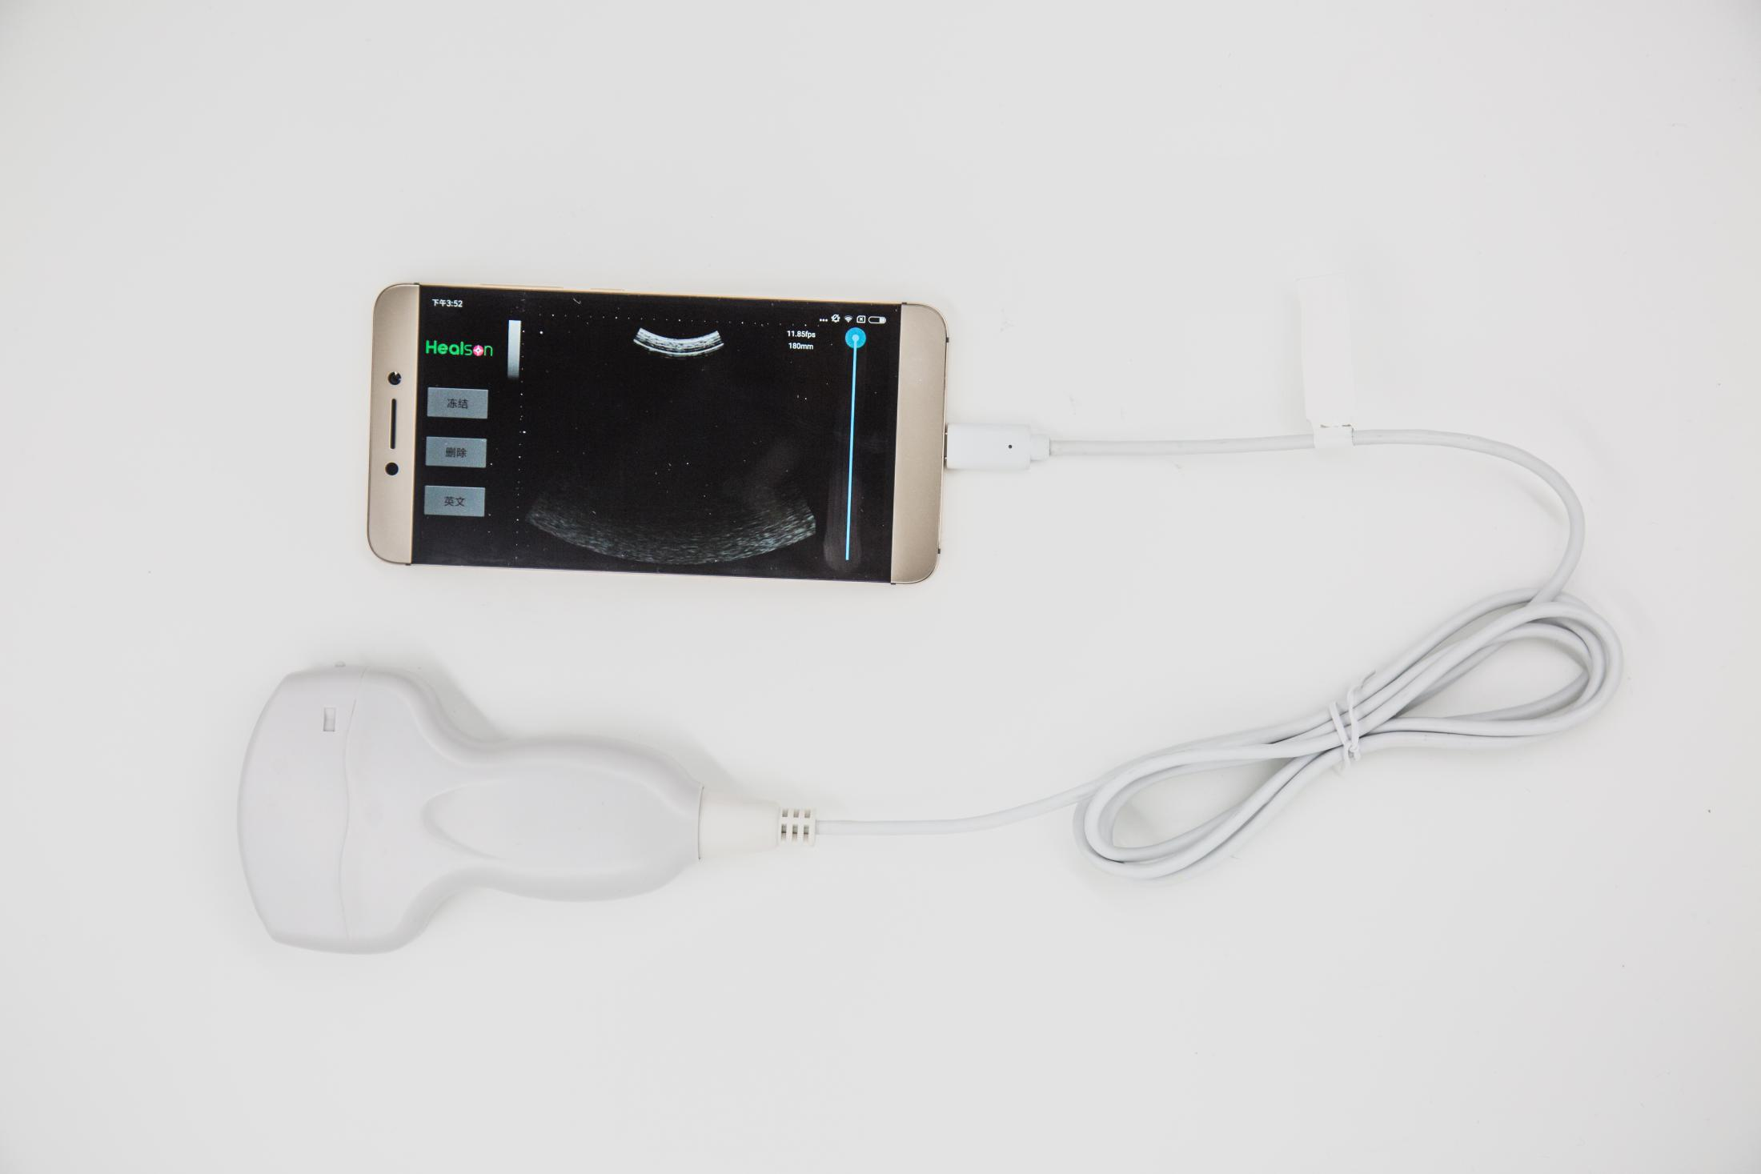 | (SUMSUNG S8 HUAWEI MATE10) |  | $550 | $550

 |  | (Asus) |  | $755 | $755

 | 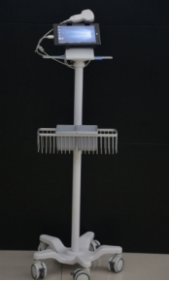 |  |  | $270 | $270

